Properties
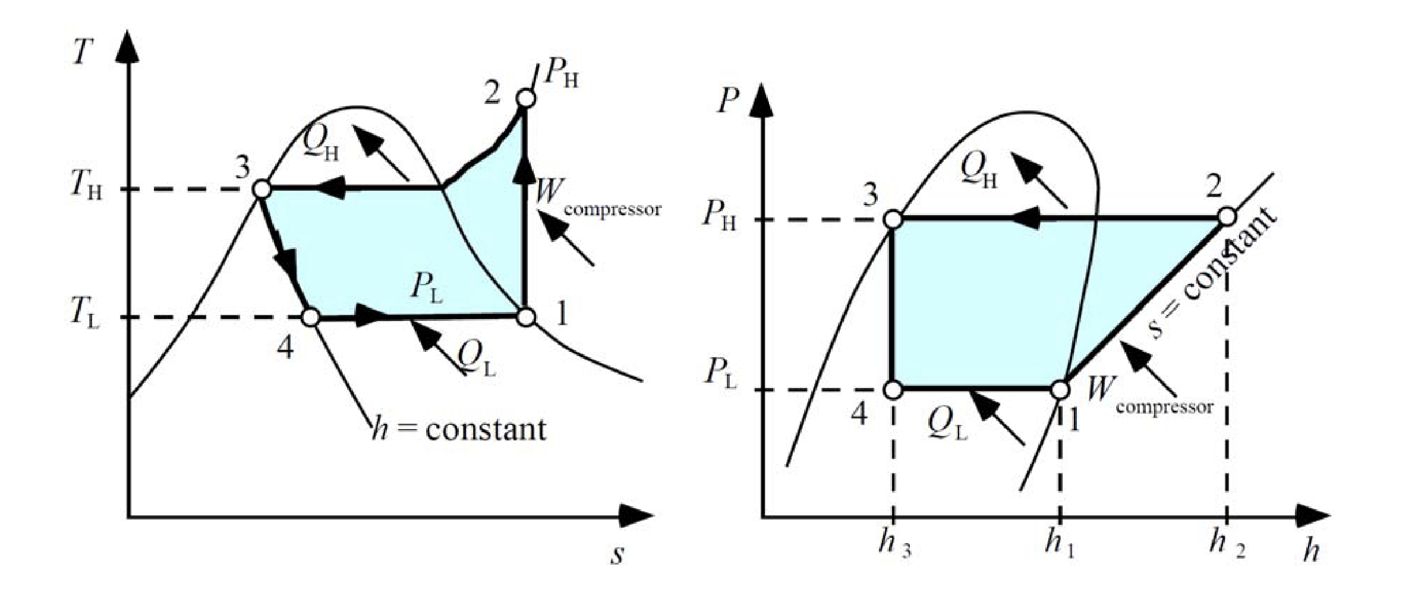
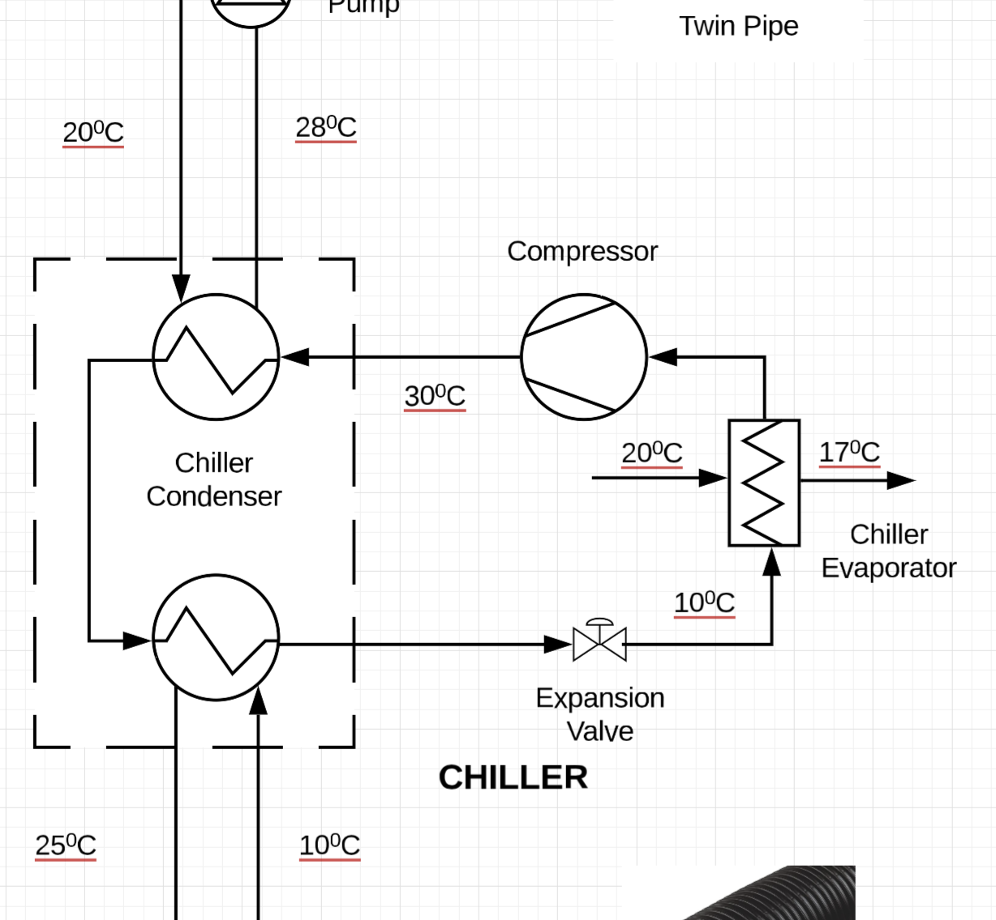
Refrigerant |  | R32
Data source |  | tlk-energy.de pressure-enthalpy
Compressor Efficiency |  | 80%
Superheating | K | 6
Subcooling | K | 5
T0 | K | 273
Tcond, h | ºC | 30 | 303

h1 | kJ/kg | 525.4
h2,act | kJ/kg | 552.2
h3 | kJ/kg | 245.5
h4 | kJ/kg | 245.5
s1 | J/kg.K | 2146.0
s2,act | J/kg.K | 2162.9
s3 | J/kg.K | 1155.4
s4 | J/kg.K | 1160.8

